Mind Maps
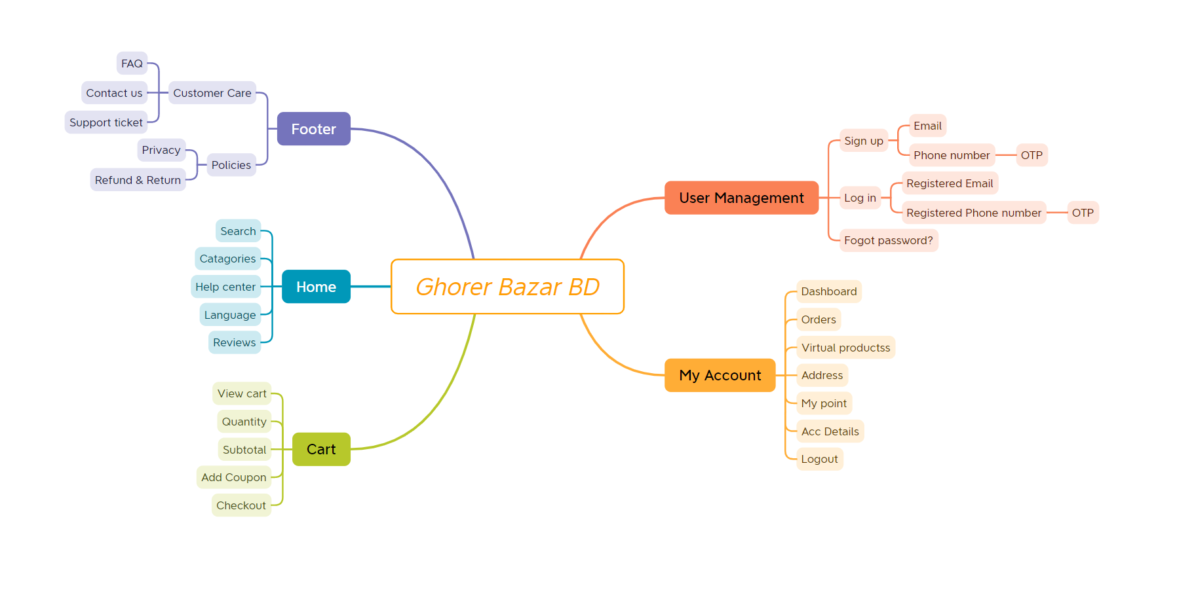

TestScenarios
Project Name | Ghorer Bazar BD
Reference Document | FRS
Created By | Md Abu Sayed Fahim
Creation Date | 20-08-2023
Approval Date | 22-08-2023

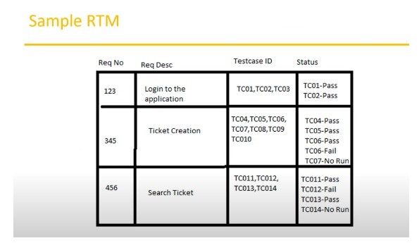
Test Scenario ID | Reference | Test Scenario Description | Priority | Number of Test Cases
TS_001 | FRS | Validate the working of Sign up functionality | P0 | 25
TS_002 | FRS | Validate the working of Sign in functionality | P0 | 23
TS_003 | FRS | Validate the working of Logout functionality | P0
TS_004 | FRS | Validate the working of Forgot Password functionality | P2
TS_005 | FRS | Validate the working of OTP functionality | P1 | 3
TS_006 | FRS | Validate the working of Search functionality | P4
TS_007 | FRS | Validate the working of Home Page functionality | P4
TS_008 | FRS | Validate the working of Language functionality | P5
TS_009 | FRS | Validate the working of 'All categories' functionality
TS_010 | FRS | Validate the Product Display Page functionality for the different types of Products
TS_011 | FRS | Validate the working of 'Shopping Cart' functionality
TS_012 | FRS | Validate the working of 'Buy now' functionality
TS_013 | FRS | Validate the working of 'Add Coupon' functionality
TS_014 | FRS | Validate the working of Checkout functionality
TS_015 | FRS | Validate the My Account functionality
TS_016 | FRS | Validate the working of My Account > Dashboard functionality
TS_017 | FRS | Validate the working of My Account > 'Change Password' functionality
TS_018 | FRS | Validate the working of My Account > 'Support' functionality
TS_019 | FRS | Validate the working of My Account > 'My wallet' functionality
TS_020 | FRS | Validate the working of My Account > 'My points' functionality
TS_021 | FRS | Validate the working of My Orders > 'Order History' functionality
TS_022 | FRS | Validate the working of Footer functionality

Test Summary Report
Test Case Report |  |  |  |  |  |  | Result :
Project Name | Ghorer Bazar BD
Module Name | Account. |  |  |  |  | Total No. | Status
Feature Name | Register Account & Account Login.
Test Case Version | 1 |  |  |  |  | 48 | PASS
Written By | Md Abu Sayed Fahim |  |  |  |  | 10 | FAIL
Executed By | Md Abu Sayed Fahim |  |  |  |  | 0 | Not Executed | New Features:- | Testing Scope:- | Testing Environment :Google Chrome Browser
Reviewed By | Ehsanul Alam Sabbir |  |  |  |  | 0 | Out of Scope
TEST EXECUTION REPORT
Test Case Report
Test Case | PASS | FAIL | Not Executed | Out Of Scope | Total TC
 | 48 | 10 | 0 | 0 | 58
Grand Total | 48 | 10 | 0 | 0 | 58

LIMITATIONS
Documents |  |  |  | Received | Useful
PRD |  |  |  | No | No
USER STORY |  |  |  | No | No

 | Testing Type in Scope | Description

Yes/ No. Justification (If No): | Functional Testing | This type of testing ignores the internal parts and focuses only on the output to check if it is as per the requirement or not.

Yes/ No. Justification (If No): | Integration Testing | Testing of all integrated modules to verify the combined functionality after integration is termed as Integration Testing.

Yes/ No. Justification (If No): | Negative Testing | Testing having the mindset of “attitude to break” using incorrect data and invalid inputs.

Yes/ No. Justification (If No): | Usability Testing | Test application from user friendliness perspective.

Yes/ No. Justification (If No): | Browser Compatibility Testing | Browser Compatibility Testing is performed for web applications and it ensures that the software can run with the combination of different browser and operating system. This type of testing also validates whether web application runs on all versions of all browsers or not.

Yes/ No. Justification (If No): | Boundary Value Testing | There is an upper and lower boundary for each range and testing is performed on these boundary values.

Yes/ No. Justification (If No): | Risk Based Testing Or Regression Testing | Risk-Based Testing includes testing of highly critical functionality, which has the highest impact on business and in which the probability of failure is very high. Testing an application as a whole for the modification in any module or functionality is termed as Regression Testing.

